Sheet1
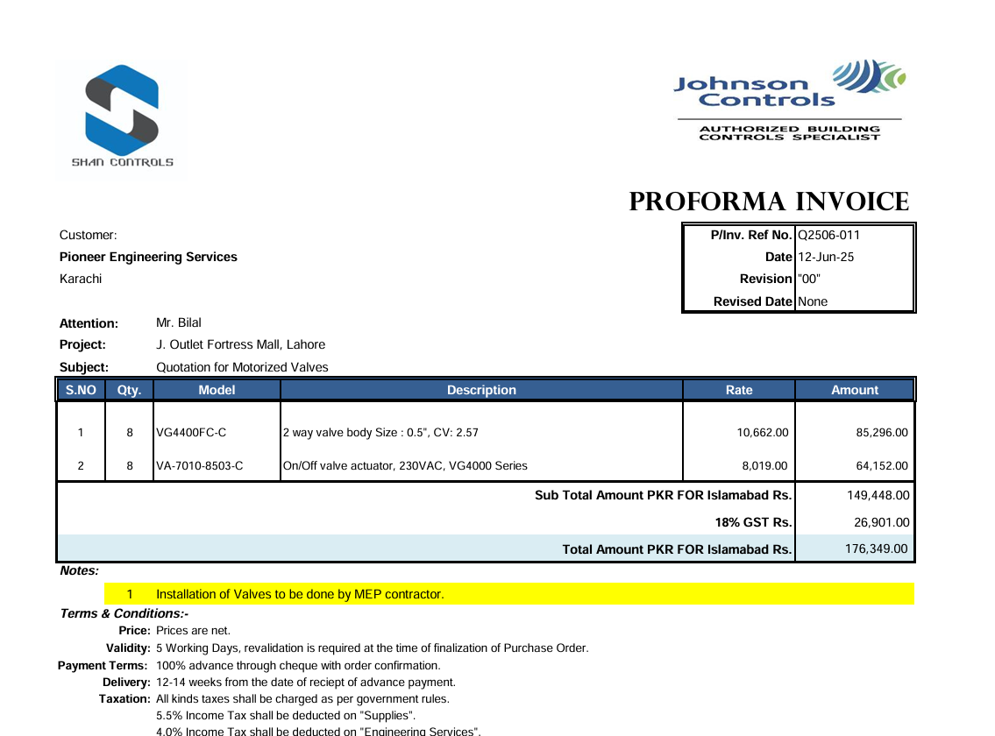
PIONEER SERVICES



 |  |  |  | Date: | 12-Jun-25
 |  |  |  | PO # | 13

M/S Shan Controls

Att: Mr. Imran Shafqat

PURCHASE ORDER

Supply of 2 way valve body for the project (J outlet Fortress Mall Lahore)
S No. | D e s c r i p t i o n | Qty | Unit | Rate | Amount
1 | 2 way valve body Size : 1/2", CV: 2.57 Model: VG4400HC-C | 8 | Nos | 10,662 | 85,296
2 | On/Off valve actuator, 230VAC, VG4000 Series Medel: VA-7010-8503-C | 8 | Nos | 8,019 | 64,152
 |  | TOTAL: |  |  | 149,448

for PIONEER SERVICES

